1. Title Page
Project Name: Instacart Grocery Basket Analysis
Date: 13 May 2021
Analyst Name: Kate Syme-Lamont

Contents:
Population Flow
Consistency checks
Wrangling steps
Column derivations
Visualizations
Recommendations

 | “The Instacart Online Grocery Shopping Dataset 2017” Accessed from https://www.instacart.com/datasets/grocery-shopping-2017 on April 3, 2021

2. Population Flow
 |  | Title page

Population flow

Exclusion flag
Condition: max_order <
Obervations to be removed:
Final total count of order_products_all:

Orders_products_combined
Orders_products_merged
Orders_products_all

Total: 32,404,859
Total:
Total:
32,434,489 | 32,404,859

1.) The grey boxes in the first row of the population flow represent the original data sets as they were when you downloaded them. In the Total fields you need to add the count of the rows when you imported the data set into Jupyter.
2.) The second row of boxes (coloured) represents the data sets after you manipulated them, e.g., removed missing values and duplicates. In the Total fields you need to add the count of the rows after conducting these operations. This offers a visual oveview of how the data flows throughout the data consistency checks.
3.) The third row, where also the arrows are coloured, represents the merges you performed between the datasets. In the Total fields you need to add the count of the rows in the merged datasets, so that you end up with the final dataset (in the red box). Keep in mind the final dataset should be without exclusions (based on the exclusion flag).

3. Consistency checks
 |  |  |  | Title page
Consistency checks

Dataset | Missing values | Missing values treatment | Duplicates
orders | days_since_prior_order (206209) | impute with 0 after investigation
products |  |  | 5 full dups in product_name
orders_products_prior
customers

4. Wrangling steps
 |  |  |  | Title page
Wrangling steps

Columns dropped | Columns renamed | Columns' type changed | Comment/Reason
eval_set' |  |  | Not relevant for analysis
 | orders_dow = orders_days_of_the_week |  | easier to understand
 |  | order_id from int to str | numeric value is categorical
 |  | user_id from int to str | numeric value is categorical
 | orders_hour_of_days = time_of_order_24hr_time |  | More intuitive
Busiest Day |  |  | After 2 busiest days created, Busiest Day is not required

5. Column derivations
 |  |  |  | Title page

Column derivations and aggregations

In this tab you should add tables below that the frequences of flags/label variables that you produced after deriving them. NB: don't do this for continuous variables, only for flags.
Dataset | New column | Column/s it was derived from | Conditions
ords_prods | price_range_loc | prices | > 15: High Rnage Product; <= 15 & > 5: Mid-range product; <= Low range product
ords_prods | Busiest Day | Orders_days_of_the_week | 0 = Businest Day; 4: Least busy day; Else = regulalry Busy Day
ords_prods | Two Busiest Days | Busiest Day | 0 or 1 = 2 businest days; 4 or 3 Two least Busy days; Else: regularly busy days
ords_prods | max_order | user_id, order_number | the maximum(max) number of orders for each individual user_id (groupby user_id)
ords_prods | Loaylty_flag | max_order | >40: Loyal Customer; <= 40 & > 10 regular customer; => 10 new customer
ords_prods | mean_spend | user_id, prices | the mean amount of money spent over all orders for each user (groupby user_id)
ords_prods_cust | prfoile loc | income, n_dependents, age, fam_status | each profile is constructed based on certain condistions according to caractertics of the noted columns.

6. Visualizations
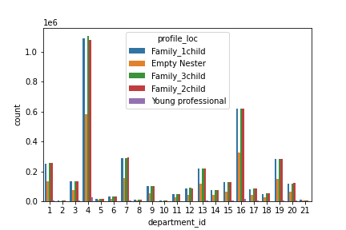
 |  |  |  |  |  |  |  | Title page

Visualisations

In this tab you should include all the visualtions from Exercises 4.9 and 4.10, alongside the questions from the project brief that they answer. Include any commentary on the relationship between different variables.

When are most orders placed?

What are the busiest days of the week? |  |  |  |  | What are busiest hours of the day?
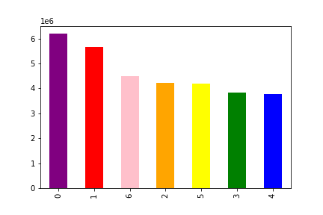


 |  | Legend
 |  | 0 – Saturday
 |  | 1 – Sunday
 |  | 2 – Monday
 |  | 3 – Tuesday
 |  | 4 – Wednesday
 |  | 5 – Thursday
 |  | 6 – Friday

 | Days of the Week |  |  |  |  |  | Hour (24Hour)

When do people spend the most money?
 |  | Legend
Which days of the week do people spend the most money? |  | 0 – Saturday |  |  | Which hours of the day do people spend the most money?
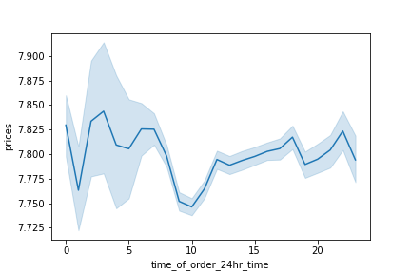
 |  | 1 – Sunday
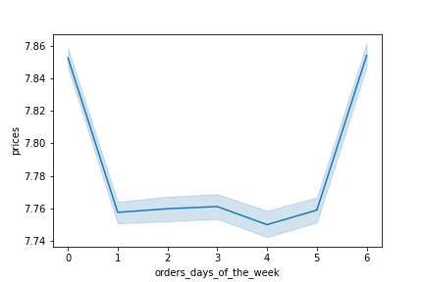
 |  | 2 – Monday
 |  | 3 – Tuesday
 |  | 4 – Wednesday
 |  | 5 – Thursday
 |  | 6 – Friday

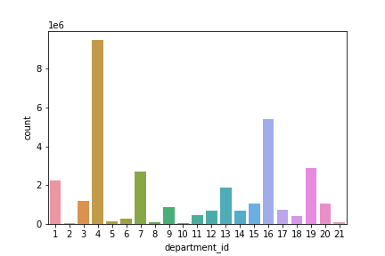
 |  | Legend
Which departments are most popular? |  | department_id | department |  | department_id | department
 |  | 1 | frozen |  | 12 | meat seafood
 |  | 2 | other |  | 13 | pantry
 |  | 3 | bakery |  | 14 | breakfast
 |  | 4 | produce |  | 15 | canned goods
 |  | 5 | alcohol |  | 16 | dairy eggs
 |  | 6 | international |  | 17 | household
 |  | 7 | beverages |  | 18 | babies
 |  | 8 | pets |  | 19 | snacks
 |  | 9 | dry goods pasta |  | 20 | deli
 |  | 10 | bulk |  | 21 | missing
 |  | 11 | personal care

How many of Instacart customers are loyal?

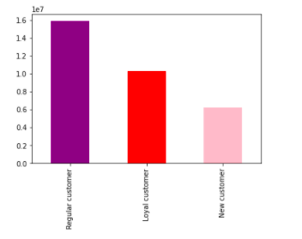

Are there differences in spending habits based on a customer's region?
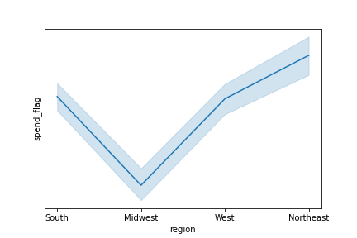

 |  | You can see clearly that customers in the NorthEast spend the most, on average, on each order
 |  | Customers in the South, on average, spend the least.

Is there a connection between age in regards to spending habits?

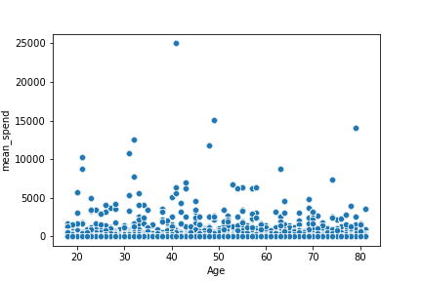

 |  |  |  | There are no clear patterns with regards to age and spending habits.

Customer Profile distribution – Who is shopping at Instacart?

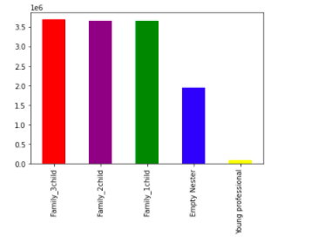

How are customer profiles distributed over regions?
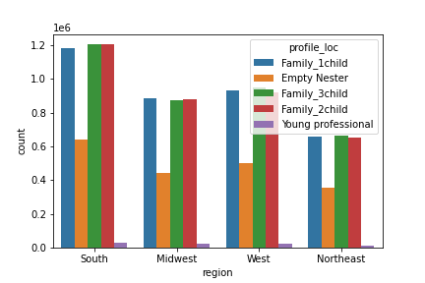

How are customer profiles distributed over departments?

7. Recommendations
 |  | Title page

Recommendations

In this tab you should include any recommendations you would made to Instcart in terms of their marketing strategy based on the questions posed in the brief. Every key question has been covered in the Tasks of the Exercises - here you need to add an item - a visualisation or table/crosstable that is showing the answer in the data, acompanied by a comment from you. Please, list the questions below and add the answer underneath.

Question | Answer
When are most orders placed? Which day of the week and which hour of the day? | Saturday is the busiest day, followed by Sunday. Weekdays are less busy; Friday is the busiest weekday and Wednesday is the least busy day.
 | There are fewer orders in the very early hours of the morning/late night, with orders increasing sharply at about 10am. 10-3pm is the peak time period for ordering.
Which hours of the day do people spend the most money? | People spend the most money on Friday and Saturday. the cheapest orders being purchased.
 | They also spend the most per order in the early hours of the morning when there are fewer orders; 10am, the peak time for ordering sees

Which departments are most popular? | By far the most popular department is produce
How many of Instacart's customers are loyal (what is the distribution of loyal customers?) | Most customers fall within the medium range, ie. are neither loyal nor new customers. Loyal customers make up the second largest group of customers.
Are there differences between spending habits between regions? | Customers in the Northeast spend the most, on average, and customers in the South spend the least.
Are there age groups that spend more than others? | Based n this analysis, there are no clear differences in age groups with regards spending.
Who is shopping at Instacart? | Instacart has a high proportion of customers who are families (1-3 dependents, and married)
 | Over regions and departments there are pretty even distribution of customer profiles. For example: the prodcue section remains by far the most popular department over customer profiles.

